README part-02b
This is the response template for part-02b ('market risk', relevant for modular approaches) of the Year-end 2020 edition of the Market & credit risk modelling comparative study. This concerns the market risk for Benchmark portfolios, own asset portfolio and single instruments. For some further explanation, please refer to the word document 'MCRCS_year-end_2020_Instructions'. Remark that the 'benchmark portfolios' are defined in the tab 'BMP_2020' of the workbook 'MCRCS_2020_instruments_and_BMP.xlsx'.

Prior to filling out your answers, please rename this file as ‘firm-001_part-02b_response_template_year-end_2020_mcrcs.xlsx’, adapting the number ‘001’ in the file name according to what your (group) supervisor has indicated.

This template shall be filled out for modular approaches (i.e. model cases B, C and D) but also for integrated approaches (i.e. model case A). The first column of the tab "Response part-02b" indicates the expected data availability by model type. Please contact your (group) supervisor in case you encounter difficulties in providing certain data.

You should fill out the columns foreseen in the tab "Response part-02b" of this spreadsheet, without adding new columns to it. Please indicate in the bordered cell below which type of model yours is (see the 'instructions document') by selecting one of the provided possibilities:

Please select your model type |  | Please select your model type | Case_A | Case_B | Case_C | Case_D

Important remarks as to 'Case_A' and 'Case_B': Importantly, in the answers to this part, the scenario order should correspond to the scenario order for the 'aggregated market & credit risk' module in your answer to part 01. Concretely, one simulated scenario should correspond to one row in each of the two spreadsheet templates (the sheet 'Response part-02b' in this spreadsheet, and the spreadsheet template for part 01). Hence, the same row number (from '0' till the maximal scenario number) should correspond to the same simulated 'joint market & credit risk' scenario.

Modelling Quality
Exposure Relevance
Please additionally provide a 'relevance score' for each single instrument (but not for the BMPs) - here with respect to the market risk. For further explanation please refer to to the document 'MCRCS_year-end_2020_Instructions'.
Choices for the relevance score:

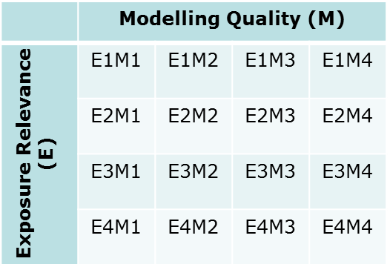
 | List of choices:
 | E1M1
 | E1M2
 | E1M3
 | E1M4
 | E2M1
 | E2M2
 | E2M3
 | E2M4
 | E3M1
 | E3M2
 | E3M3
 | E3M4
 | E4M1
 | E4M2
 | E4M3
 | E4M4

