README part-02a
This is the response template for part-02a ('combined market and credit risk' for single instruments, relevant for integrated approaches) of the Year-end 2019 edition of the Market & credit risk modelling comparative study. This concerns the aggregation of market & credit risk for single instruments. For some further explanation, please refer to the document 'MCRCS_year-end_2019_Instructions'. Remark that the 'benchmark portfolios' are defined in the tab 'BMP_2019' of the workbook 'MCRCS_2019_instruments_and_BMP.xlsx'.

Prior to filling out your answers, please rename this file as ‘firm-001_part-02a_response_template_year-end_2019_mcrcs.xlsx’, adapting the number ‘001’ in the file name according to what your (group) supervisor has indicated.

This template for part-02a shall be filled out for integrated approaches i.e. model type A only.

Modelling Quality
Exposure Relevance
You should fill out the columns foreseen in the tab "Response part-02a" of this spreadsheet, without adding new columns to it.
Please additionally provide a 'relevance score' for each instrument. For further explanation please refer to to the document 'MCRCS_year-end_2019_Instructions'.
Choices for the relevance score:

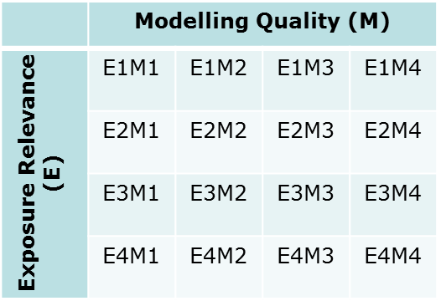
 | List of choices:
 | E1M1
 | E1M2
 | E1M3
 | E1M4
 | E2M1
 | E2M2
 | E2M3
 | E2M4
 | E3M1
 | E3M2
 | E3M3
 | E3M4
 | E4M1
 | E4M2
 | E4M3
 | E4M4

