How_to_use
How to read the proposals on provisional zonal calibrations provided on the following tabs:

Industry exposure data in percent per risk zone:
This is needed for rounding and normalising the raw input on zonal weights as provided by model owners as output from the model runs performed.
1) in most cases, proprietary information of the model owner had to be used, due to unavailability of alternative data.
2) In some cases, even this was not available (where scenarios are not covered by any model owner, e.g. SI scenarios and CZ_HL), such that naive population proxies had been used, provided that there is no strong anti-selection pattern indicated.
3) For the SK_EQ scenario, market average IED in % of Total Sum Insured was provided by NBS.

Proposal value for the re-calibrated provisional country factor for the respective scenario: Country factor (regional peril risk factor according to Delegated Regulation) re-calibration process is described in the Annex 29 to the Consultation Paper.

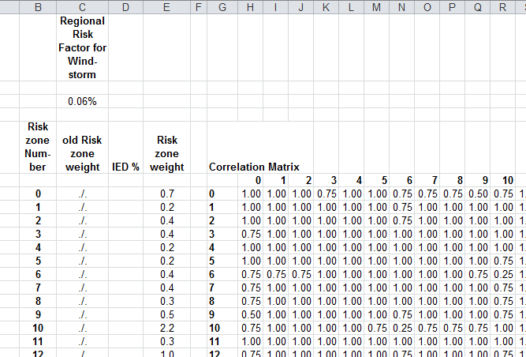

Number of the Zone (risk zone according to the Delegated regulation). In most cases, CRESTA zone numbers are used.

Proposal for the new Zonal weights (risk zone weights according to the Delegated Regulation). These weights are rounded and normalised versions of the raw values that were in most cases provided by model owners as output of the model runs performed.

Risk zone weights that are currently given in the Delegated Regulation and are to be updated by the final version of the re-calibrated risk zone weights.
For the newly introduced scenarios, such as FI_WS, HU_WS, SI_WS, CZ_HL and SI_HL, no current values are available.

Coefficients of the aggregtion matrix (Correlation matrix according to the Delegated Regulation):
Raw values from the interval [0,1] were provided by model owners as output of the model runs performed.
These have been rounded to the nearest of {0, 0.25, 0.5, 0.75, 1}. Values are not pure physical hazard correlation, but represent the pattern of insurance losses which might occur industry wide due to an extreme event.
Column and row numbers correspond to the "Zone" number.

Scenario name given on active Excel tab; in this case: Finland Windstorm scenario tab with the provisional zonal calibration for this scenario.

