CZ losses
ID | Country | Peril | Economic losses | Insured loss data
Czech RepublicFlood* | Czech Republic | Flood* |  | 3629.787
Czech RepublicWindstorm | Czech Republic | Windstorm |  | 848.5875

TOP19 biggest insured callamities (brutto; no indexation)
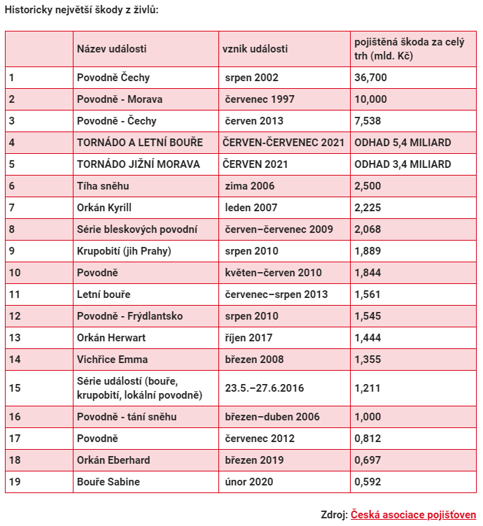
 |  |  |  |  | Peril
 |  |  |  |  | Floods | 66.3819637 | 2211.4440703 | 2211.4440703
 |  |  |  |  | Floods | 59.237865734 | 675.24377363 | 675.24377363
 |  |  |  |  | Floods | 85.971642248 | 350.72029813 | 350.72029813
 |  |  |  |  | Windstorm/Hailstorm | 100 | 216 |  | 216
 |  |  |  |  | Windstorm/Hailstorm | 100 | 136 |  | 136
 |  |  |  |  | Heavy snow
 |  |  |  |  | Windstorm/Hailstorm | 76.518679204 | 116.31146921 |  | 116.31146921
 |  |  |  |  | Floods | 79.173802755 | 104.47900331 | 104.47900331
 |  |  |  |  | Windstorm/Hailstorm | 80.472285152 | 93.895680802 |  | 93.895680802
 |  |  |  |  | Floods | 80.472285152 | 91.658885864 | 91.658885864
 |  |  |  |  | Windstorm/Hailstorm | 85.971642248 | 72.628599812 |  | 72.628599812
 |  |  |  |  | Floods | 80.472285152 | 76.796626172 | 76.796626172
 |  |  |  |  | Windstorm/Hailstorm | 90.460179313 | 63.851299476 |  | 63.851299476
 |  |  |  |  | Windstorm/Hailstorm | 79.456304395 | 68.213592883 |  | 68.213592883
 |  |  |  |  | Combination of floods and windstorm/hailstorm | 88.573452876 | 54.689072659 | 27.34453633 | 27.34453633
 |  |  |  |  | Floods | 74.396387492 | 53.766051483 | 53.766051483
 |  |  |  |  | Floods | 84.730478898 | 38.333313375 | 38.333313375
 |  |  |  |  | Windstorm/Hailstorm | 94.349092499 | 29.549833773 |  | 29.549833773
 |  |  |  |  | Windstorm/Hailstorm | 95.512967417 | 24.792445089 |  | 24.792445089
 |  |  |  |  |  |  |  | 3629.7865586 | 848.58745737

