Instructions
2018 EIOPA INSURANCE STRESS TEST. Instructions
 |  |  |  |  |  |  |  | EIOPA-BoS-18-190
 |  |  |  |  |  |  |  | 14-May-18

This file provides the set of inputs for EIOPA Stress Test 2018

 | RFR |  | Basic risk-free interest rate term structures, and also the term structures once adjusted with the relevant volatility adjustment
 |  |  | The sheets provide curves for the baseline, Yield Curve up (Ycup) and Yield Curve down (YCdown) scenarios
 |  |  | All the options for the scenarios can be found in the |  |  | Main_Menu

 | Market shocks |  | Shocks for the calculation of the market value of government bonds, corporate bonds, RMBS, equities, comercial
 |  |  | and residential real estate and other assets after stresses can be found in the |  |  |  | Main_Menu

 | Insurance specific shocks |  | Links for lapse, longevity and provision deficiency for Yield Curve up (Ycup) and Yield Curve down (YCdown) scenarios can
 |  |  | also be found in | Main_Menu

 | Inflation Shock |  | Links for CPI can be found in the |  | Main_Menu

 | NatCat events |  | Links for the NatCat events can be found in the |  |  | Main_Menu

Log of changes

Version |  | Tab |  |  | Amendments
2018-05-14
2018-05-15 |  | NatCat_FLOOD |  |  | Disclaimer added
 |  | NatCat_WINDSTORM |  |  | Disclaimer added
 |  | NatCat_EARTHQUAKE |  |  | Disclaimer added
2018-05-28 |  | New |  |  | Swap shocks added
 |  | Inflation shock |  |  | Note added
2018-06-04 |  | NatCat_WINDSTORM |  |  | Table on the return period added
 |  | New |  |  | AIR events added
 |  | RFR_YCdown_with_VA |  |  | Danish Krona curve amended
 |  | RFR_YCup_with_VA |  |  | Danish Krona curve amended

NatCat_FLOOD
Main menu

FLOOD

 | EventID | Total GR | 5 countries GR | AT GR | CZ GR | HU GR | PL GR | SK GR | GR remaining countries (% of total loss) | Extent (km2) | Affected countries
 | 4108900 | 6,634,489,236 | 6,133,115,893 | 671,922,995 | 2,606,407,299 | 1,050,530,672 | 1,138,760,031 | 665,494,896 | CH: 0.31% DE: 7.86% (<5yr) FR: 0.01% | 25,000 | CZ,AT,DE,PL, SK,HU,CH,FR
 |  |  | Split by country (% of 5-country loss) | 10.96% | 42.50% | 17.13% | 18.57% | 10.85%
 |  |  | Loss Return period by country | 1,000 | 200 | 500 | 100 | 200
 | 4051952 | 7,840,245,327 | 7,696,171,458 | 1,428,280 | 1,990,415,092 | 156,696,751 | 4,880,664,140 | 666,967,194 | DE: 1.87% | 5,000 | PL,CZ,SK,AT, HU,DE
 |  |  | Split by country (% of 5-country loss) | 0.02% | 25.86% | 2.04% | 63.42% | 8.67%
 |  |  | Loss Return period by country | 1 | 200 | 20 | 1,000 | 200

Event ID: 4108900

Postcode level Gross losses and Gros Loss Cost, for RES, COM and IND lines of business combined

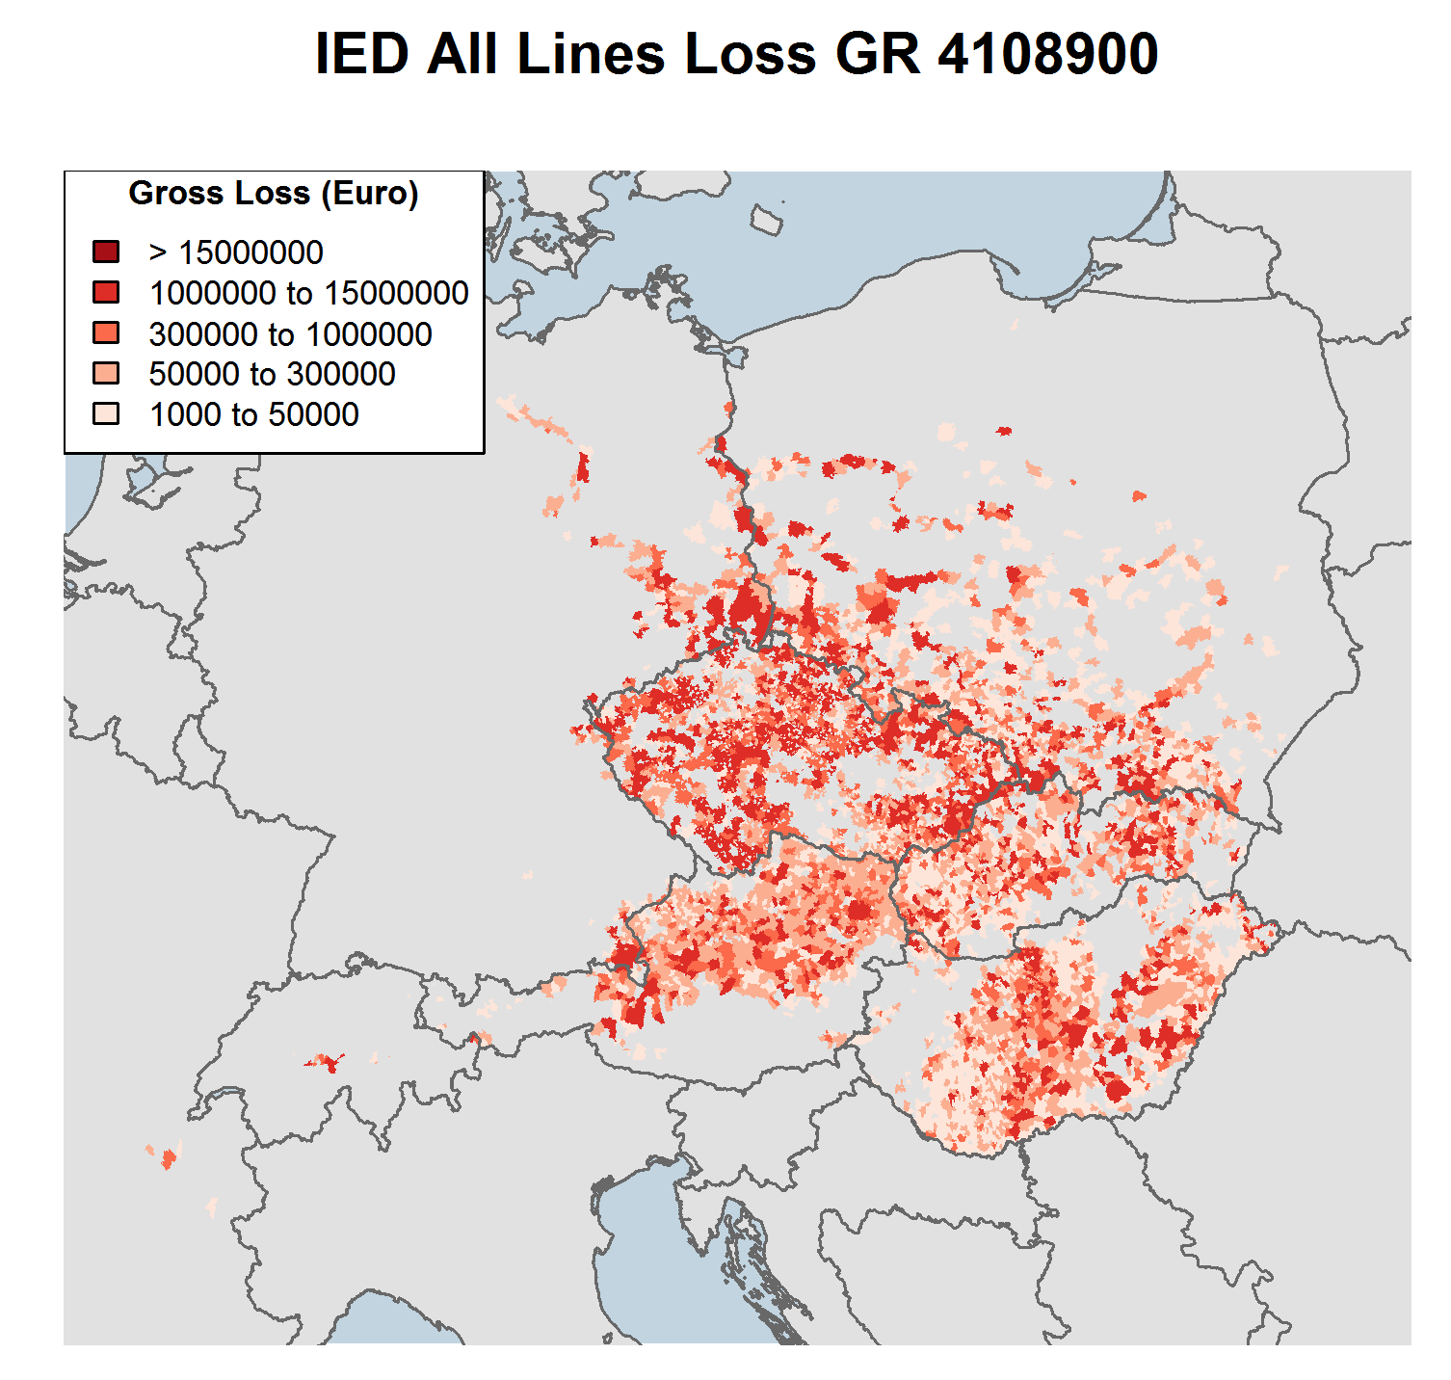
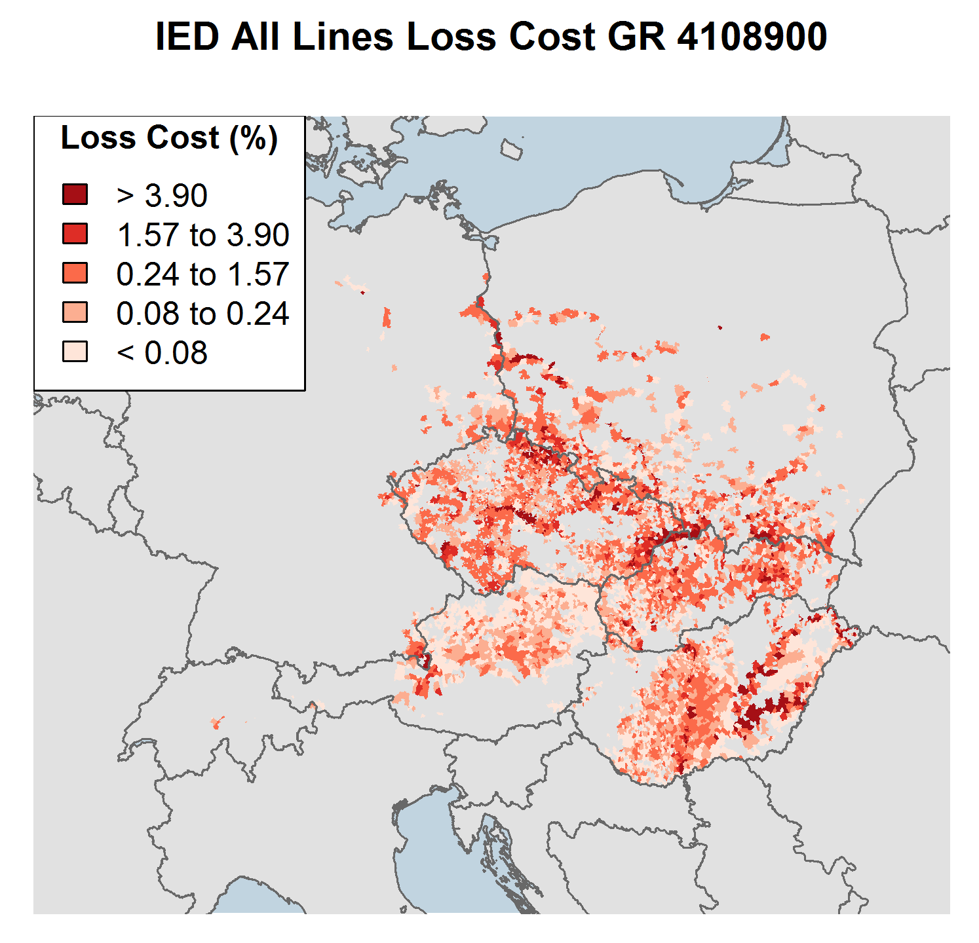

 | Event ID |  |  | Countries |  |  | Main Basins impacted |  | Max Hazard RP by basin (year) |  | Event Length | Source
 | 4108900 |  |  | CZ, AT, DE, PL, SK, HU, CH, FR |  |  | DANUBE, ELBE, ODER, TISZA, VISTULA |  | 2000, 200, 200, 50, 20 |  | Multi-weeks | Pluvial and Fluvial

Event ID: 4051952

Postcode level Gross losses and Gros Loss Cost, for RES, COM and IND lines of business combined

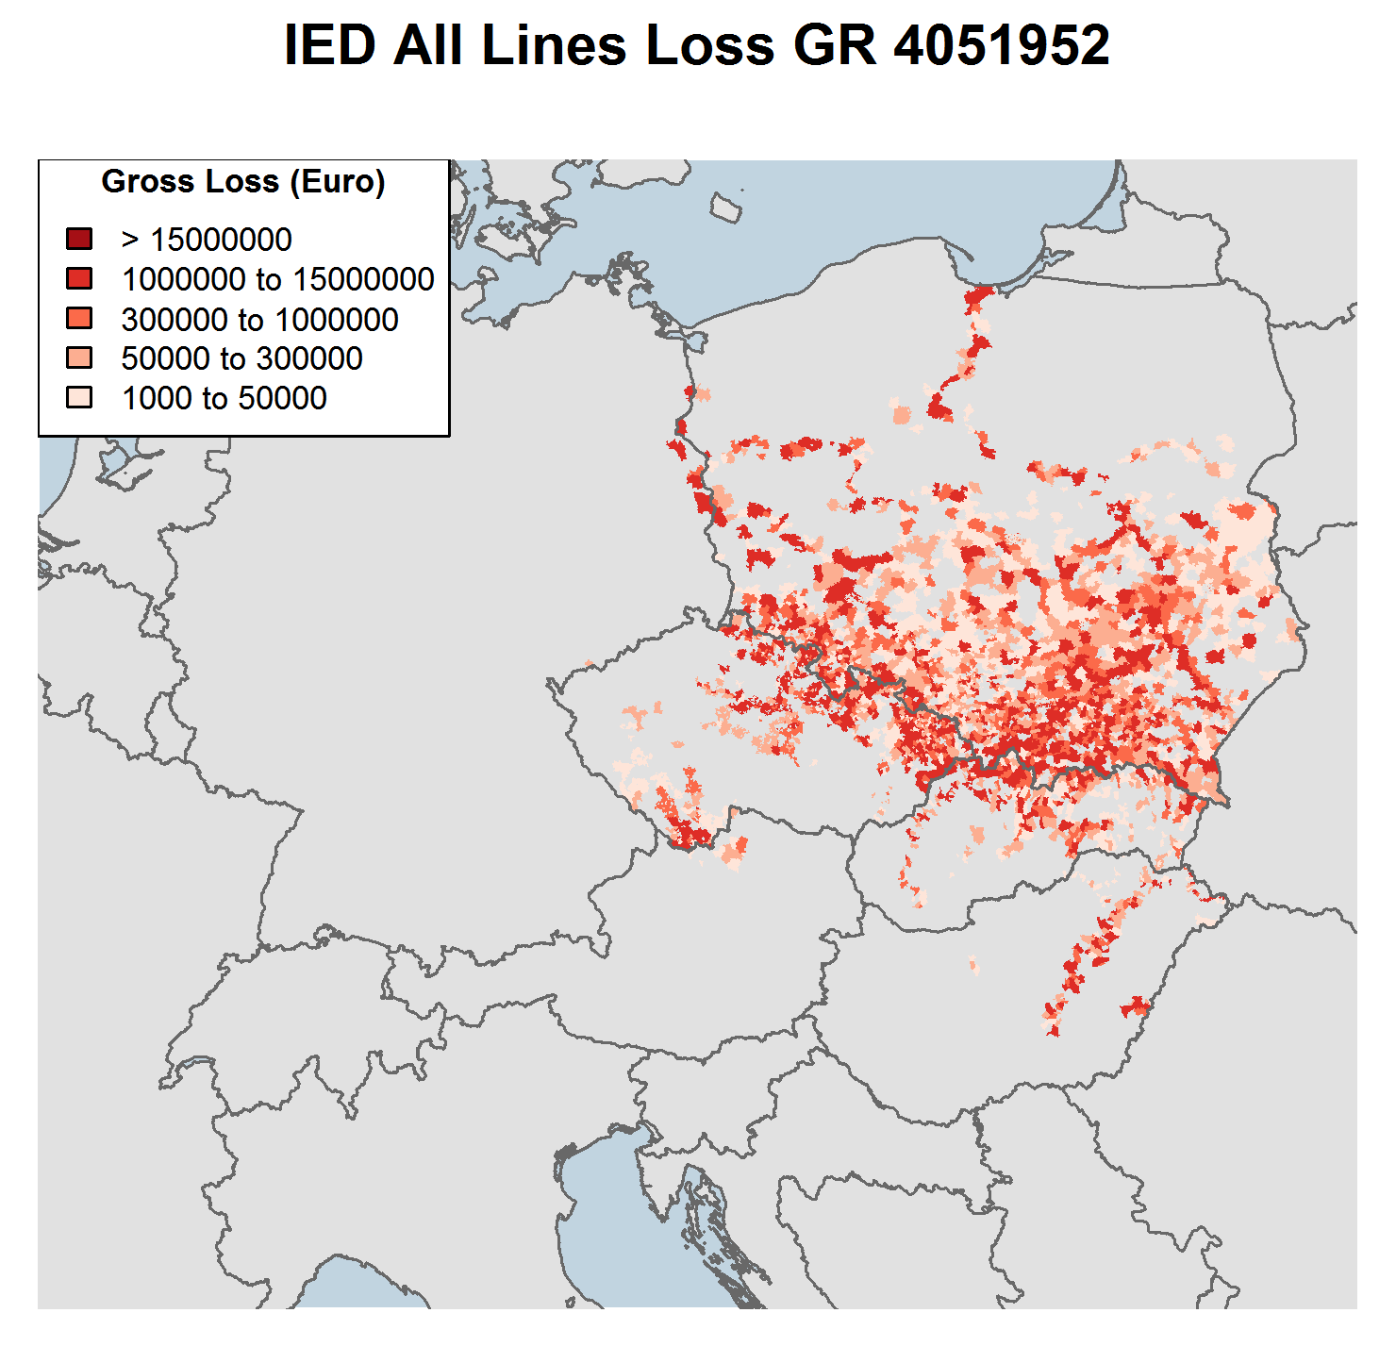
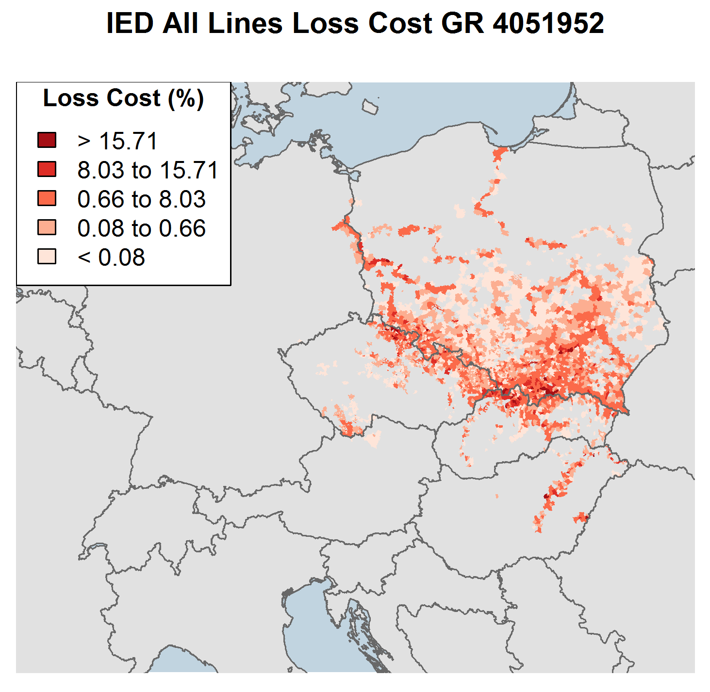

 | Event ID |  |  | Countries |  |  | Main Basins impacted |  | Max Hazard RP by basin (year) |  | Event Length | Source
 | 4051952 |  |  | PL, CZ, SK, AT, HU, DE |  |  | DANUBE, ELBE, ODER, PL_BALTIC, RHEIN, TISZA, VISTULA |  | 200, 500, 1000, 200, 50, 2000,1 |  | Multi-weeks | Pluvial and Fluvial

 | The RMS information on stochastic events in this document (the “Information”) are provided by Risk Management Solutions, Inc. ("RMS"). The Information is provided under license to EIOPA and is RMS’ proprietary and confidential information and may not be shared with any third party without the prior written consent of RMS. Furthermore, this Information may only be used for the specific business purpose specified by EIOPA and for no other purpose, and may not be used under any circumstances in the development or calibration of any product or service offering that competes with RMS. RMS specifically disclaims any and all responsibilities, obligations and liability with respect to any decisions or advice made or given as a result of the information or use thereof, including all warranties, whether express or implied. In no event shall RMS (or its parent, subsidiary, or other affiliated companies) be liable for direct, indirect, special, incidental, or consequential damages with respect to any decisions or advice made or given as a result of the contents of this information or use thereof.

NatCat_WINDSTORM
Main menu

WINDSTORM

 |  | Gross Loss (EUR millions)

Event ID: 3173976
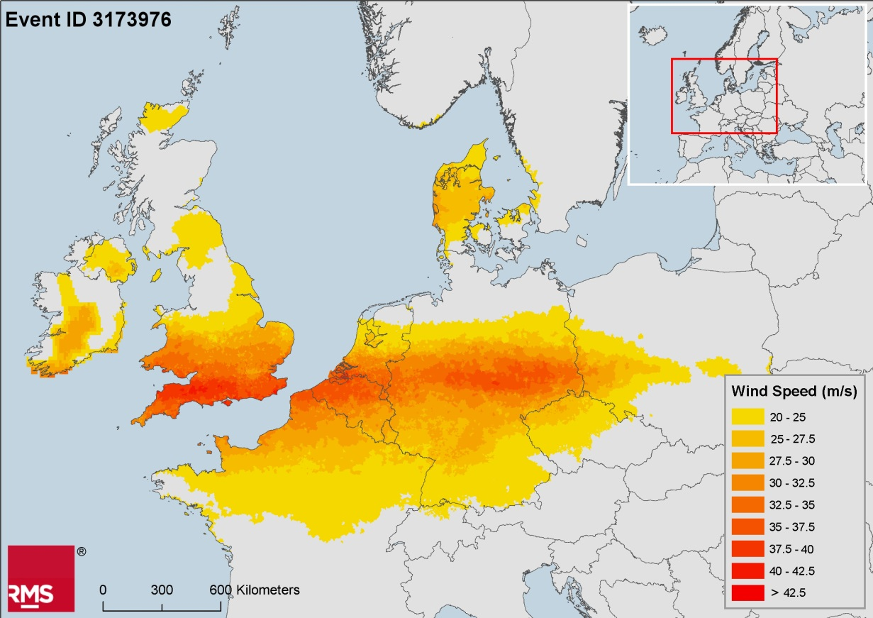

Event ID: 3169635
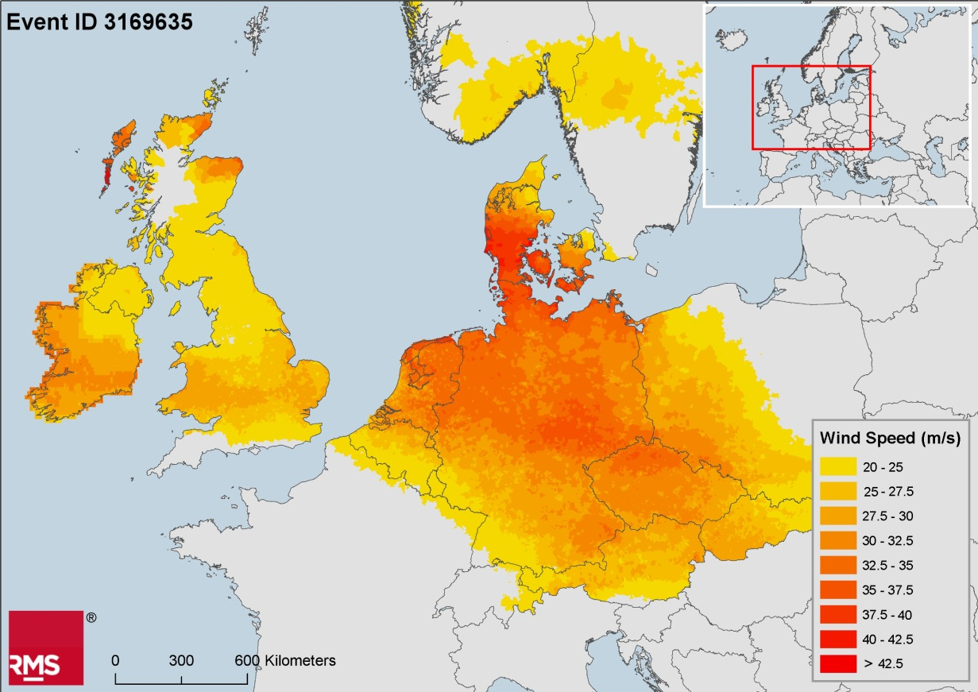

Event ID: 3168192
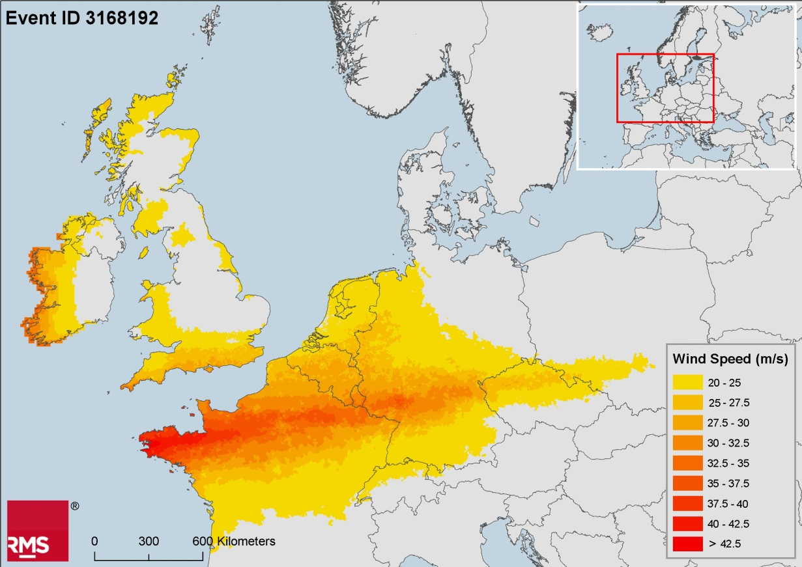

Event ID: 3189947
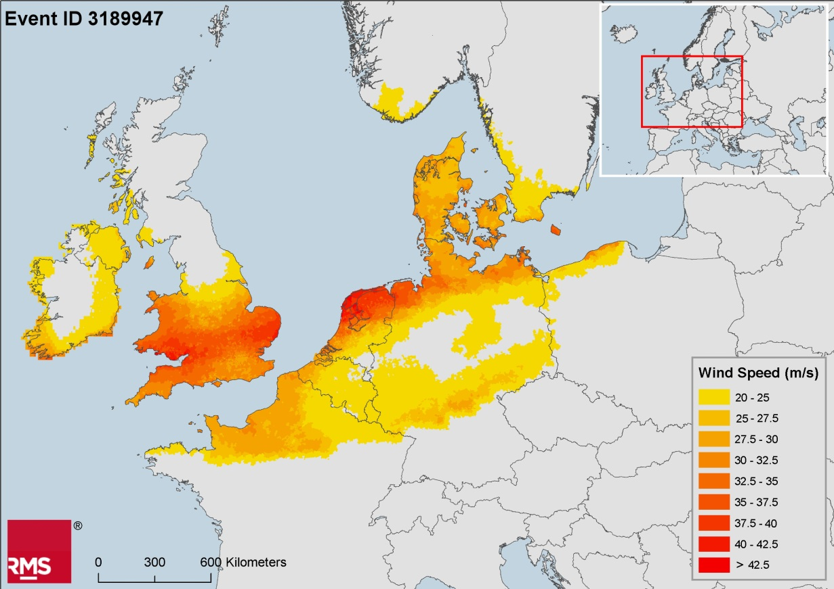

 | The RMS information on stochastic events in this document (the “Information”) are provided by Risk Management Solutions, Inc. ("RMS"). The Information is provided under license to EIOPA and is RMS’ proprietary and confidential information and may not be shared with any third party without the prior written consent of RMS. Furthermore, this Information may only be used for the specific business purpose specified by EIOPA and for no other purpose, and may not be used under any circumstances in the development or calibration of any product or service offering that competes with RMS. RMS specifically disclaims any and all responsibilities, obligations and liability with respect to any decisions or advice made or given as a result of the information or use thereof, including all warranties, whether express or implied. In no event shall RMS (or its parent, subsidiary, or other affiliated companies) be liable for direct, indirect, special, incidental, or consequential damages with respect to any decisions or advice made or given as a result of the contents of this information or use thereof.

NatCat_EARTHQUAKE
Main menu

EARTHQUAKE

EventID: 1054274
(postal code level spectral acceleration)
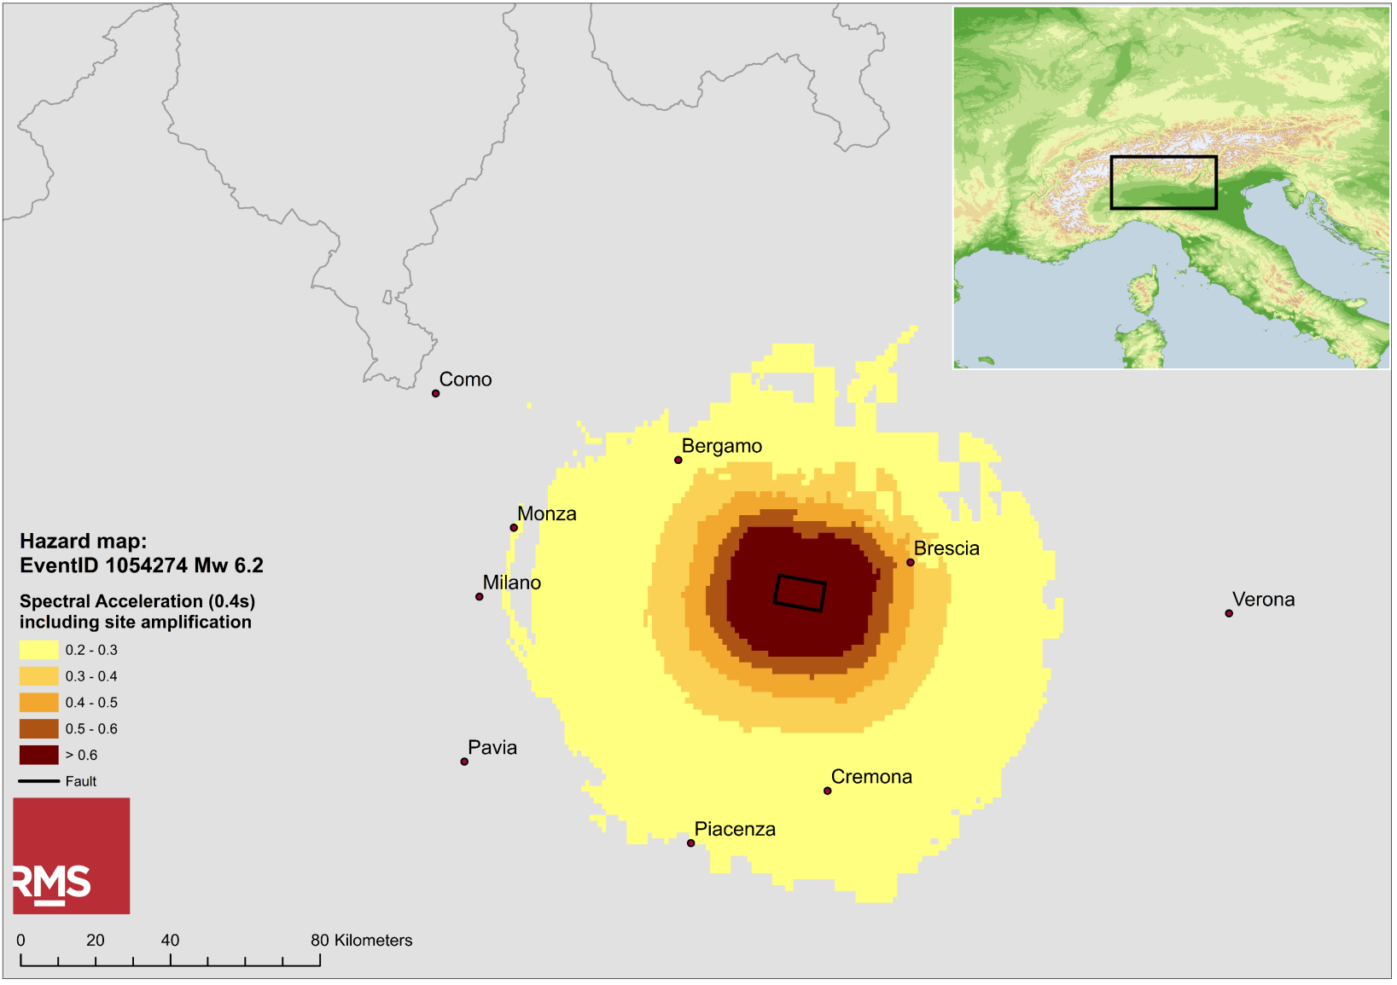

EventID: 1053920
grided level spectral acceleration at 0.4s
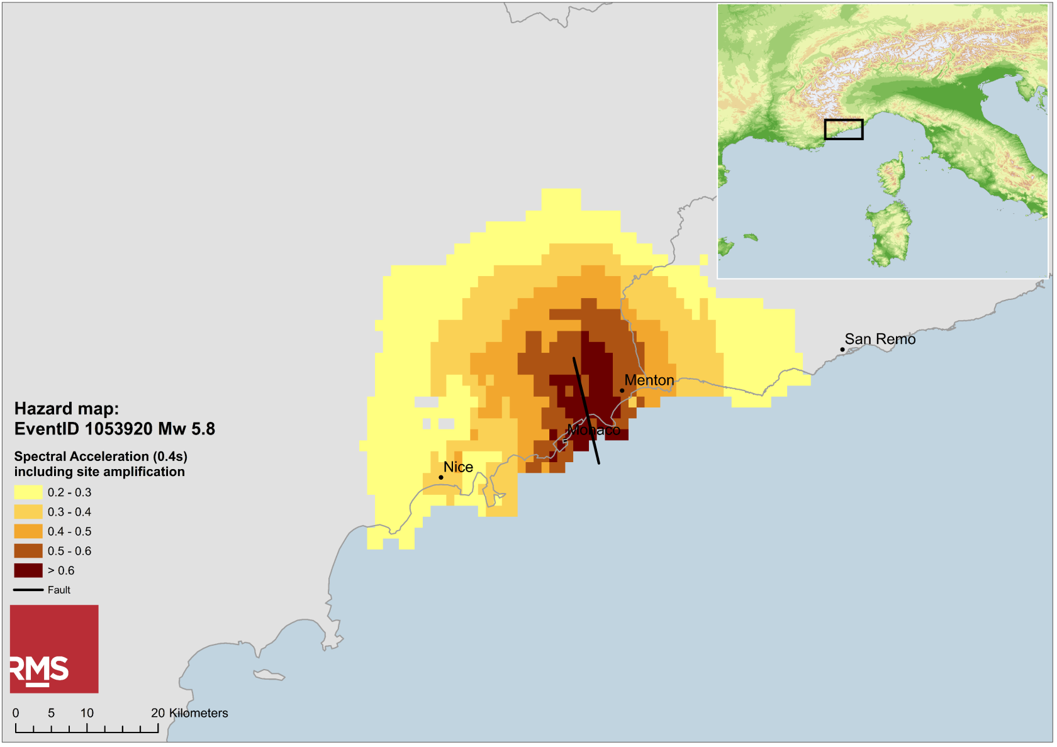

 | The RMS information on stochastic events in this document (the “Information”) are provided by Risk Management Solutions, Inc. ("RMS"). The Information is provided under license to EIOPA and is RMS’ proprietary and confidential information and may not be shared with any third party without the prior written consent of RMS. Furthermore, this Information may only be used for the specific business purpose specified by EIOPA and for no other purpose, and may not be used under any circumstances in the development or calibration of any product or service offering that competes with RMS. RMS specifically disclaims any and all responsibilities, obligations and liability with respect to any decisions or advice made or given as a result of the information or use thereof, including all warranties, whether express or implied. In no event shall RMS (or its parent, subsidiary, or other affiliated companies) be liable for direct, indirect, special, incidental, or consequential damages with respect to any decisions or advice made or given as a result of the contents of this information or use thereof.

AIR events
Main menu

FLOOD

 |  |  |  |  |  | Gross Loss (EUR)
 | EIOPA EventID | AIR Event ID | Model | Event | Year | Day | Total | Czech Rep | Austria | Germany
 | 1 | 900061380 | 90 (v.1.0.0) | 61380 | 7536 | 179 | € 3,137,535,423 | € 2,463,996,012 | € 600,991,618 | € 72,547,794
 | 2 | 900016582 | 90 (v.1.0.0) | 16582 | 2058 | 181 | € 1,963,178,317 | € 1,918,080,783 | € 40,051,438 | € 5,046,097

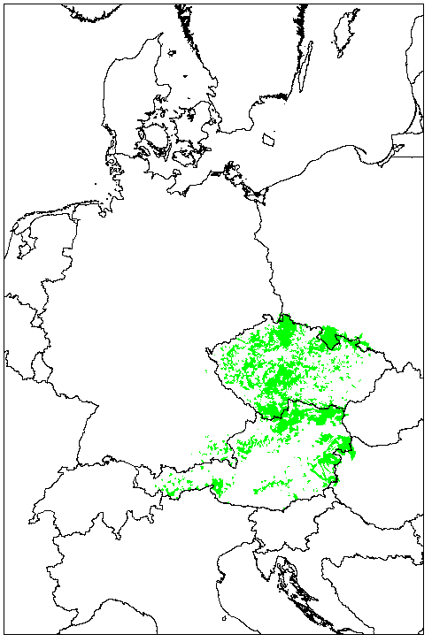
Event 1
 |  |  |  |  | In case a participating group opts for relying on AIR model, the impacts of the prescribed events on non-covered countries (e.g. HU, PL ) shall be estimated via other approaches. It is not allowed to neglect part of the events dscribed in the Technical Specifications.

 | Map of catchments exceeding 2-year return period flow rate as well as catchment standard of protection

 |  |  |  |  |  | Gross Loss (EUR)
 | AIR Event ID | Model | Event | Year | Day | Total | Czech Rep | Austria | Germany
 | 900061380 | 90 (v.1.0.0) | 61380 | 7536 | 179 | € 3,137,535,423 | € 2,463,996,012 | € 600,991,618 | € 72,547,794
 | Loss Annual Occurence Return Period (years) |  |  |  |  | 14 | 55 | 33 | <5

Event 2
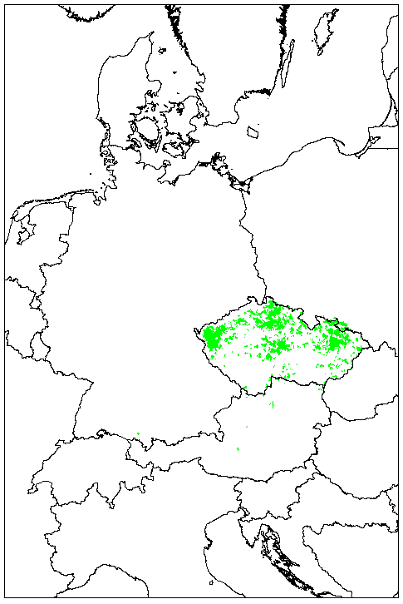

 | Map of catchments exceeding 2-year return period flow rate as well as catchment standard of protection

 |  |  |  |  |  | Gross Loss (EUR)
 | AIR Event ID | Model | Event | Year | Day | Total | Czech Rep | Austria | Germany
 | 900016582 | 90 (v.1.0.0) | 16582 | 2058 | 181 | € 1,963,178,317 | € 1,918,080,783 | € 40,051,438 | € 5,046,097
 | Loss Annual Occurence Return Period (years) |  |  |  |  | 8 | 38 | <5 | <5

WINDSTORM

 |  |  |  |  | Gross Loss (EUR)
 | EIOPA EventID | AIR EventID | Model | Event | Total | BE | DE | DK | FR | NL | UK
 | 1 | 410030988 | 41 (v.5.1.0) | 30988 | € 6,800,000,000 | € 500,000,000 | € 2,300,000,000 | € - | € 300,000,000 | € 700,000,000 | € 2,600,000,000
 | 2 | 410018425 | 41 (v.5.1.0) | 18425 | € 6,100,000,000 | € 1,000,000 | € 4,900,000,000 | € 700,000,000 | € - | € 400,000,000 | € 150,000,000
 | 3 | 410014513 | 41 (v.5.1.0) | 14513 | € 5,500,000,000 | € 30,000,000 | € 1,300,000,000 | € - | € 3,300,000,000 | € 3,000,000 | € 20,000,000
 | 4 | 410031927 | 41 (v.5.1.0) | 31927 | € 4,200,000,000 | € 300,000,000 | € 50,000,000 | € 20,000,000 | € 200,000,000 | € 700,000,000 | € 2,800,000,000

Event 1
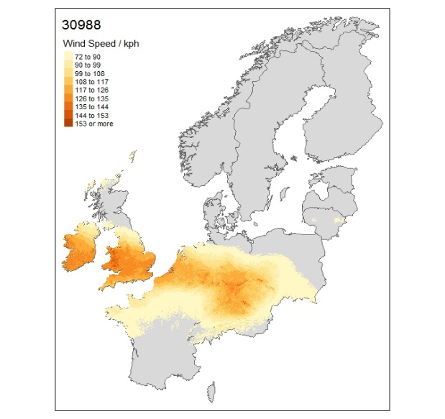

 |  |  |  |  | Gross Loss (EUR)

 | AIR EventID | Model | Event | Total | BE | DE | DK | FR | NL | UK
 | 410030988 | 41 (v.5.1.0) | 30988 | € 6,800,000,000 | € 500,000,000 | € 2,300,000,000 | € - | € 300,000,000 | € 700,000,000 | € 2,600,000,000
 | Loss Annual Occurence Return Period (years) |  |  | 9 | 14 | 11 | <5 | <5 | 12 | 12

Event 2
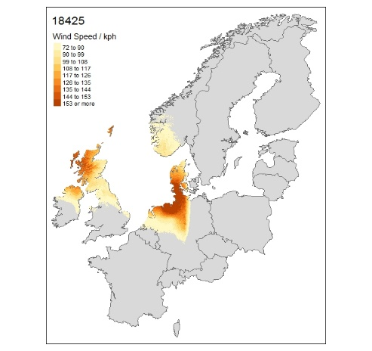

 |  |  |  |  | Gross Loss (EUR)
 | AIR EventID | Model | Event | Total | BE | DE | DK | FR | NL | UK
 | 410030988 | 41 (v.5.1.0) | 30988 | € 6,800,000,000 | € 500,000,000 | € 2,300,000,000 | € - | € 300,000,000 | € 700,000,000 | € 2,600,000,000
 | Loss Annual Occurence Return Period (years) |  |  | 9 | 14 | 11 | <5 | <5 | 12 | 12

Event 3
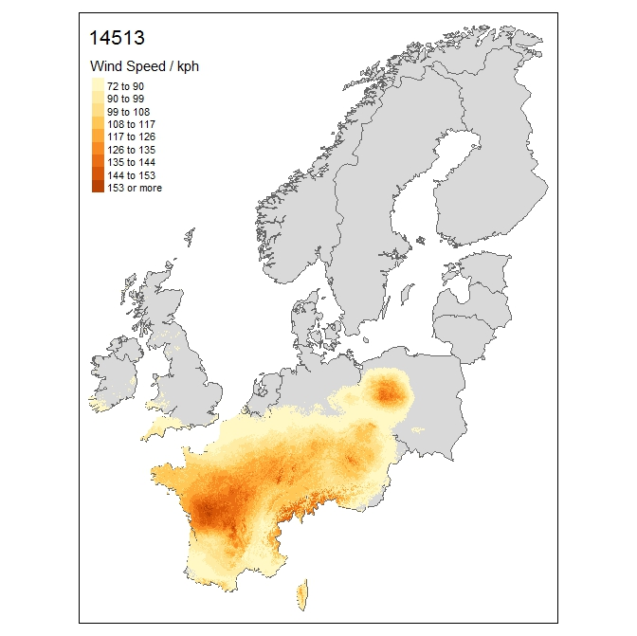

 |  |  |  |  | Gross Loss (EUR)
 | AIR EventID | Model | Event | Total | BE | DE | DK | FR | NL | UK
 | 410014513 | 41 (v.5.1.0) | 14513 | € 5,500,000,000 | € 30,000,000 | € 1,300,000,000 | € - | € 3,300,000,000 | € 3,000,000 | € 20,000,000
 | Loss Annual Occurence Return Period (years) |  |  | 7 | <5 | 6 | <5 | 24 | <5 | <5

Event 4
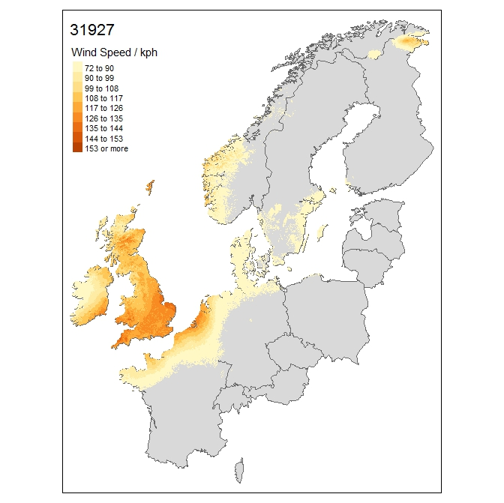

 |  |  |  |  | Gross Loss (EUR)
 | AIR EventID | Model | Event | Total | BE | DE | DK | FR | NL | UK
 | 410031927 | 41 (v.5.1.0) | 31927 | € 4,200,000,000 | € 300,000,000 | € 50,000,000 | € 20,000,000 | € 200,000,000 | € 700,000,000 | € 2,800,000,000
 | Loss Annual Occurence Return Period (years) |  |  | <5 | 8 | <5 | <5 | <5 | 12 | 13

EARTHQUAKE

Event 1
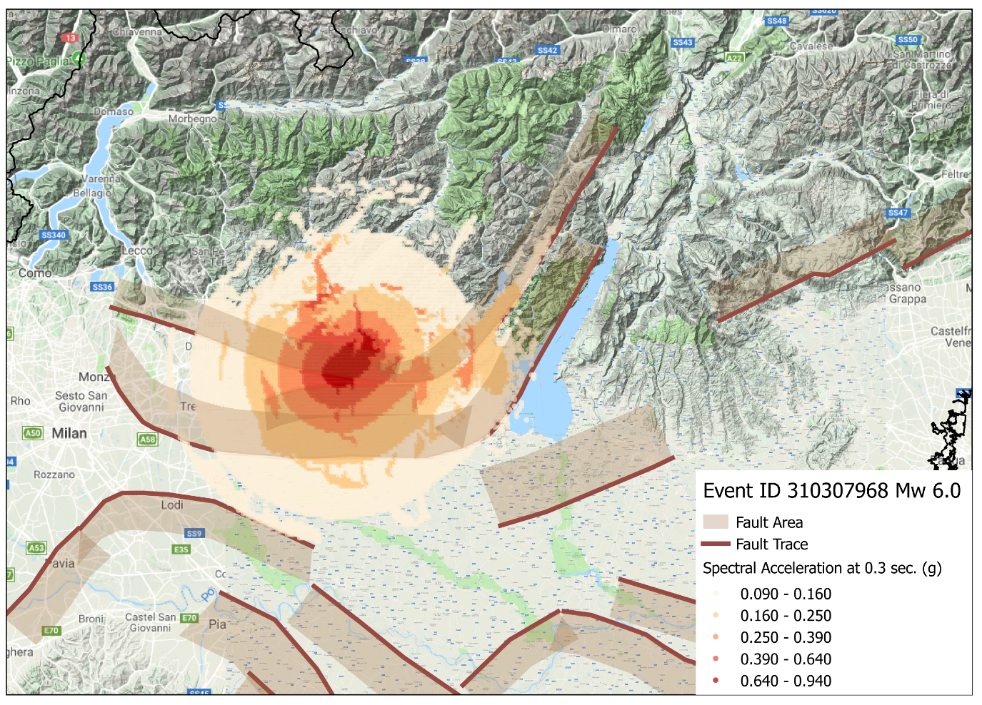

 | AIR Event ID | Model | Event | Year | Total Gross Loss (EUR) | Event Info | EQ_Depth | Magnitude | Longitude | Latitude | Location
 | 310307968 | 31 (v.3.0.0) | 307968 | 3768 | € 3,991,405,920 | MW 6.0 EQ IT | 4.00 | 5.96 | 10.17 | 45.54 | Italy

Event 2
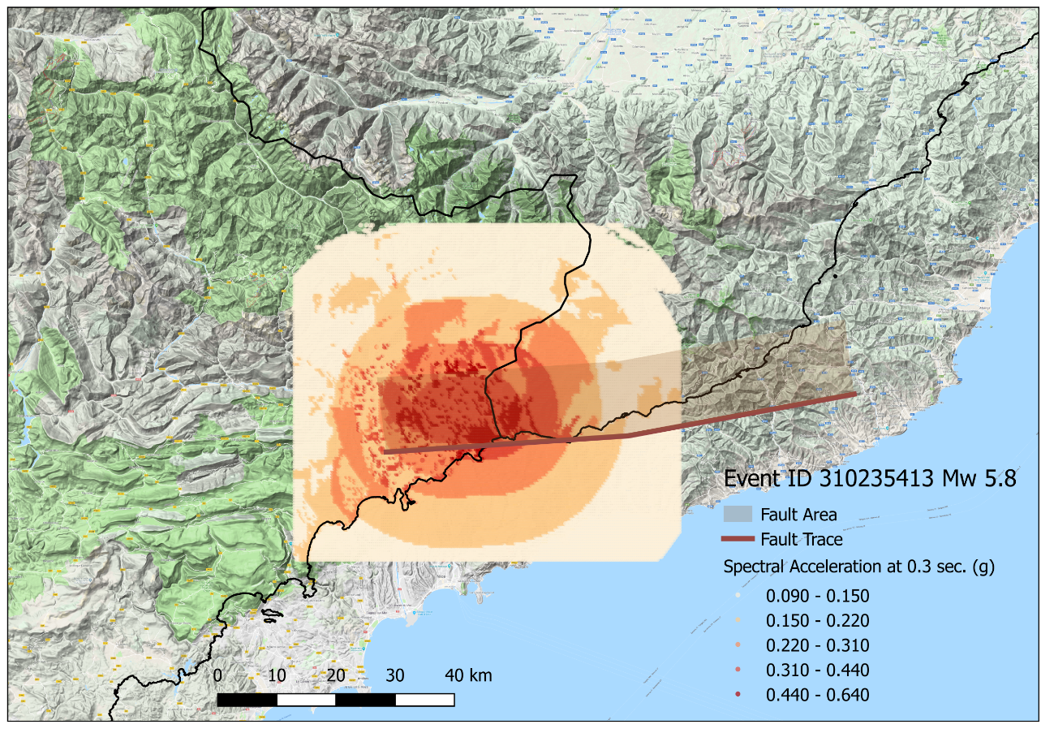

 | AIR Event ID | Model | Event | Year | Total Gross Loss (EUR) | Event Info | EQ_Depth | Magnitude | Longitude | Latitude | Location
 | 310235413 | 31 (v.3.0.0) | 235413 | 2882 | € 1,551,071,594 | MW 5.8 EQ FR IT | 17.00 | 5.83 | 7.46 | 43.83 | Monaco

Disclaimer
The information on these stochastic events is provided by AIR Worldwide Corporation ("AIR"). It may be used only by participants of and in direct connection to the EIOPA 2018 Insurance Stress Test and may not be re-distributed without prior written consent of AIR Worldwide. AIR disclaims any and all responsibilities, obligations and liability with respect to any decisions or advice made or given as a result of the information or use thereof, including all warranties, whether express or implied. In no event shall AIR (or its parent, subsidiaries, or other affiliated companies) be liable for direct, indirect, special, incidental, or consequential damages with respect to any decisions or advice made or given as a result of the contents of this information or use thereof.

